Sheet1
 | TESTER NAME : Fadli Amin | PROJECT / TEST SCENARIO : VERIFY FEATURE LOGIN | TEST CRITERIA : SERVER FOR STAGING AVAILABLE | DEVICE : CHROME, Windows 10
 | TEST DATE : 23 Agustus 2023 | TEST PURPOSE : FUNCTIONAL TESTING (UI) | BUILD ID: -

Test Id | Test Case | Expected Result (dokumentasi) | Actual Result | Pass/Fail | Test Step | Positive/Negative Case
Test Scenario : Verify Feature Login
1 | Verify Success Login with valid email and password |  | 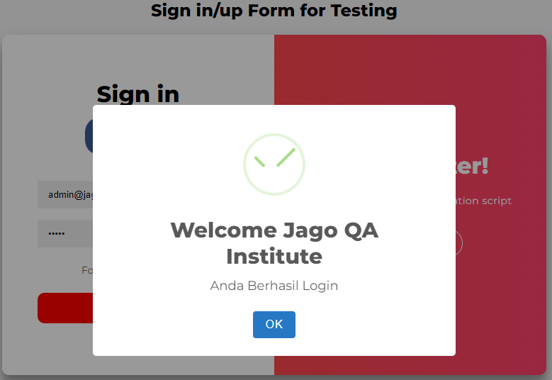 | Pass | 1. Mengisi email dengan data valid/terdaftar admin@jagoqa.com 2. Mengisi password dengan data valid sesuai email 3. Klik tombol Sign In | Positive
2 | Verify Failed Login with empty email and filled password |  | 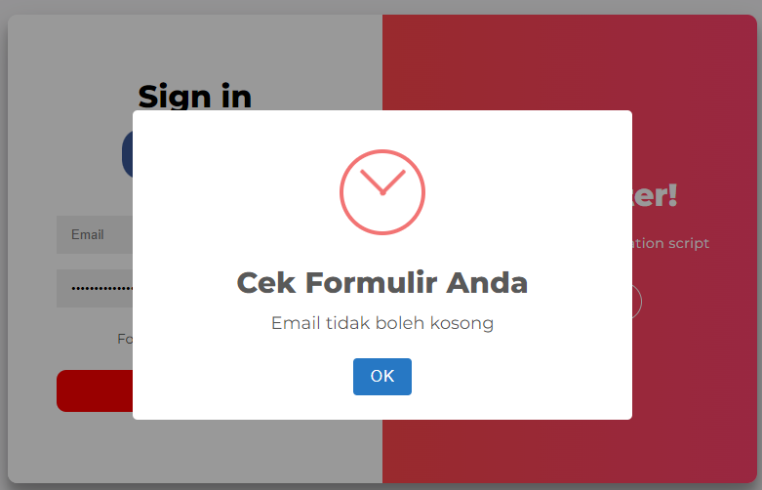 | Pass | 1. Mengosongkan email 2. Mengisi password 3. Klik tombol Sign In | Negative
 | 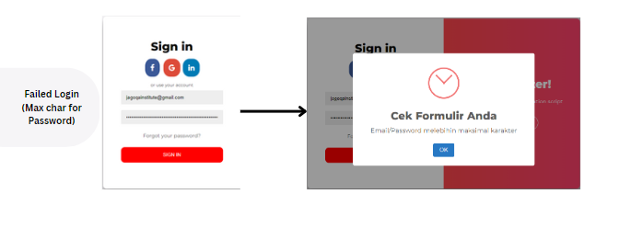 Verify failed login with max char for password | 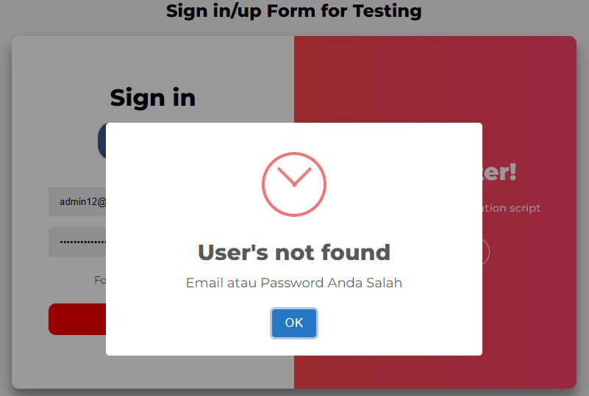 |  | Fail | 1. Mengisi email 2. Mengisi password dengan maximal char 3. Klik sign in | Negative
 | 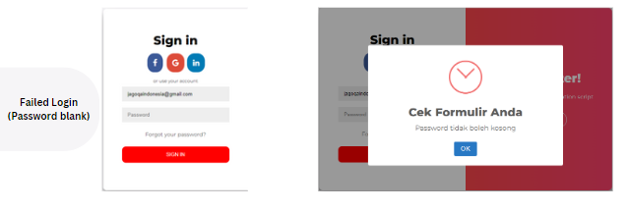 verify failed login with blank password | 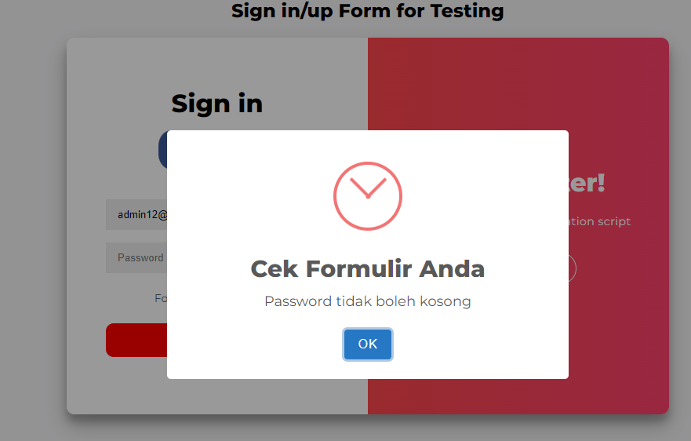 |  | Pass | 1. Mengisi email 2. mengosongkanpassword 3. Klik sign in | Negative

